Sample Form
MOTUS PACKAGING DATA SHEET (PDS) |  |  |  |  | Date | Rev. Level:
 |  |  |  |  | 2017-12-12 | 1
Section 1: Supplier Information
Program | Annual Volume | Supplier Name | Supplier Contact |  | Fax
T1XX | 200,000 | Supplier A | Jon Smith |  | 123-456-7898
Model Year | Motus Plant Location | Supplier Plant Location | Cell Phone |  | Email
2017 | MWD | Street, City, State, Country | 123-456-7891 |  | jsmith@supplier.com
Section 2: Part Information
Motus Part Number |  | Part Material |  | Part Dimensions (inches)
5003868 |  | Plastic |  | Length | Width | Height
Supplier Part Name |  | Part Weight (lbs) |  | 12 | 6 | 0.7
12345678 |  | 0.3
Section 3: Container Information
Primary Container
Expendable or Returnable |  | Container Type |  | Container Dimensions (inches)
 |  |  |  | Length | Width | Height
Expendable |  | Handheld |  | 24 | 15 | 7
Parts/Container |  | Container Weight (lbs, with parts)
 |  |  |  | 23.6875 | 14.6875 | 6.375
26 |  | 8.5
Dunnage
Dunnage Description |  | Expendable or Returnable |  | Quantity/Container
23.5"x14.5"x .15625" C-Flute Layerpad |  | Expendable |  | 2
Dunnage Description |  | Expendable or Returnable |  | Quantity/Container
13" x 6" C-Flute Divider |  | Expendable |  | 7
Dunnage Description |  | Expendable or Returnable |  | Quantity/Container

Section 4: Pallet Load Information
Expendable or Returnable Pallet |  | Layers/Pallet |  | Unit Load Dimensions (inches)
Expendable |  | 6 |  | length | width | height
Containers/Layer |  | Containers/Pallet |  | 48 | 45 | 47
6 |  | 36
Pallet Type/Description |  | Lid Type/Description |  | Stretch Wrap or Banding
Expendable Stringer Pallet |  | Corrugated Tray |  | Stretch Wrap
Section 5: Images
Part Part in Pack Unit Load
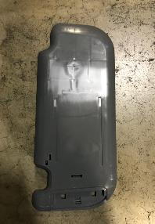 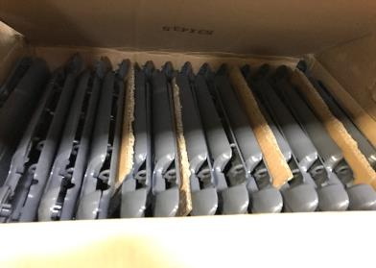 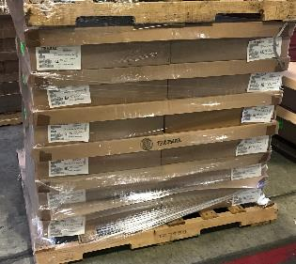

Section 6: Motus Approval Signatures
Supplier Packaging Engineer |  | Manucturing | Ergonomics |  | Purchasing

Motus Packaging Engineer |  | Quality | Materials |  | Other

